Pivot Table
Average of Income Across Gender
 | No | Yes
Female | 59534.883721 | 64909.090909
Male | 62012.578616 | 65454.545455
Average of Income | Column Labels
Row Labels | No | Yes | Grand Total
Female | 59,535 | 64,909 | 62,008
Male | 62,013 | 65,455 | 63,420
Grand Total | 60,903 | 65,182 | 62,756

Commute Distance
 | No | Yes
0-1 Miles | 69 | 57
1-2 Miles | 62 | 46
2-5 Miles | 33 | 70
5-10 Miles | 77 | 32
More than10 Miles | 47 | 15

Rows | No | Yes | Grand Total
0-1 Miles | 69 | 57 | 126
1-2 Miles | 62 | 46 | 108
2-5 Miles | 33 | 70 | 103
5-10 Miles | 77 | 32 | 109
More than10 Miles | 47 | 15 | 62
Grand Total | 288 | 220 | 508

Age Bracket
 | No | Yes
Young Adult | 45 | 12
Old | 75 | 30
Middle Aged | 168 | 178

Count of Purchased Bike | Column Labels
Row Labels | No | Yes | Grand Total
Young Adult | 45 | 12 | 57
Old | 75 | 30 | 105
Middle Aged | 168 | 178 | 346
Grand Total | 288 | 220 | 508

Dashboard
BIKE SALES DASHBOARD
Average of Income Across Gender
 | No | Yes
Female | 59534.883721 | 64909.090909
Male | 62012.578616 | 65454.545455
Age Bracket
 | No | Yes
Young Adult | 45 | 12
Old | 75 | 30
Middle Aged | 168 | 178

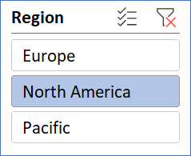

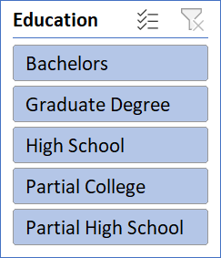

Commute Distance
 | No | Yes
0-1 Miles | 69 | 57
1-2 Miles | 62 | 46
2-5 Miles | 33 | 70
5-10 Miles | 77 | 32
More than10 Miles | 47 | 15

